Sheet1
S.NO | Description | Pre-Condition | Test Steps | Test Data | Expected Result | Remarks

1 | HappyPath() | Launch the browser and Enter the URL | 1. Launch the selected Browser. | URL: file:///C:/SQEDemonstrationChallengeUIProject/src/test/resources/files/index.html | Pizza Order Form page opens
 |  |  | 2. Enter the URL in the browser address bar and open .

2 |  | pizza1 | Choose pizza from the drop down menu | Medium 8 Slices-2 toppings $9.75 | Pizza size selected with toppings.
3 |  | Topping1 | Choose Topping1 from the drop down menu | Olives | Topping1 selected.
4 |  | Topping2 | Choose Topping2 from the drop down menu | Mushrooms | Topping1 selected.
5 |  | Quantity | Enter the quantity in the check box | 1 | Quantity entered in the check box.
6 |  | Cost | After entered the quantity, cost populated in the cost check box | 9.75 | Cost populated automatically. | Defect observed whenver run the Automation script, Cost is showing $7.5 instead of $9.75 for HappyPath()
7 |  | Name* | In the PICKUP INFORMATION form -Enter Customer name in the check box which is mandatory | Mohammed Khan | Entered customer name.
8 |  | Email | In the PICKUP INFORMATION form -Enter Customer Email in the check box which is not mandatory | mohammed.khan.testng@gmail.com | Entered customer Email address
9 |  | Phone* | In the PICKUP INFORMATION form -Enter Customer Phone no in the check box which is mandatory | 5164516113 | Entered customer Phone no
10 |  | Cash on Pickup | In the PAYMENT INFORMATION form- Select Cash on Pickup button |  | Selected Cash on Pickup button
11 |  | place Order | Click on place OrderButton |  | Message "Thank you for your order! TOTAL: 9.75 Medium 8 Slices - 2 toppings" will pop-up.
12 |  | Message | Click on the 'X'sign at the top right corner of the message box. |  | Message box closed.
13 |  | Reseet | Click on the reset button. |  | Pizza Order Form page refreshed for new entry

14 | NegativeTest | pizza1 | Choose pizza from the drop down menu | Medium 8 Slices-2 toppings $9.75 | Pizza size selected with toppings.
15 |  | Topping1 | Choose Topping1 from the drop down menu | Olives | Topping1 selected.
16 |  | Topping2 | Choose Topping2 from the drop down menu | Mushrooms | Topping1 selected.
17 |  | Quantity | Enter the quantity in the check box | 1 | Quantity entered in the check box.
18 |  | Cost | After entered the quantity, cost populated in the cost check box | 9.75 | Cost populated automatically.
19 |  | Name* | In the PICKUP INFORMATION form -Name missing |  | Customer name keep blank
20 |  | Email | In the PICKUP INFORMATION form -Enter Customer Email in the check box which is not mandatory | mohammed.khan.testng@gmail.com | Entered customer Email address
21 |  | Phone* | In the PICKUP INFORMATION form -Enter Customer Phone no in the check box which is mandatory | 5164516113 | Entered customer Phone no
22 |  | Cash on Pickup | In the PAYMENT INFORMATION form- Select Cash on Pickup button |  | Selected Cash on Pickup button
23 |  | place Order | Click on place OrderButton |  | Message "Missing name" will pop-up.
24 |  | Message | Click on the 'X'sign at the top right corner of the message box. |  | Message box closed.
25 |  | Reseet | Click on the reset button. |  | Pizza Order Form page refreshed for new entry

26 | Validation | Name validation | Validated the "Missing name" |  | "Missing name" is validated successfully.

 | Console output after running the Automation script:----

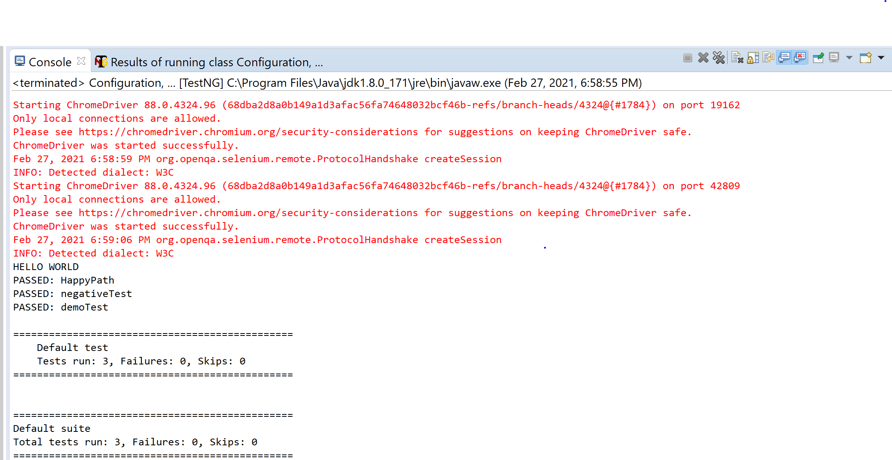

 | NOTE: Defect observed whenever run the Automation script, Cost is showing $7.5 instead of $9.75 for HappyPath()

